Bi-gram
Most Prominent Themes
deaf hearing | 38
hearing loss | 20
behavioral services | 18
primary care | 18
private insurance | 15
behavioral care | 14
access care | 14
insurance company | 14
residential treatment | 13
community center | 11
intellectual disability | 11
substance abuse | 11
criminal justice | 10
access services | 10
care providers | 9
case management | 9
human services | 8
dual diagnosis | 8
suicide prevention | 7
Bi-gram | Count
deaf hearing | 38
hearing loss | 20
behavioral services | 18
primary care | 18
private insurance | 15
behavioral care | 14
access care | 14
insurance company | 14
residential treatment | 13
community center | 11
intellectual disability | 11
substance abuse | 11
criminal justice | 10
access services | 10
care providers | 9
deaf community | 9
case management | 9
human services | 8
dual diagnosis | 8
social worker | 8
need help | 8
early childhood | 7
suicide prevention | 7
treatment services | 7
developmental disabilities | 7
services deaf | 7
daylight partnership | 7
behavioral needs | 7
domestic violence | 7
treatment treatment | 7
centennial peaks | 7
law enforcement | 7
reactive attachment | 7
commercial insurance | 6
johnson house | 6
community centers | 6
term care | 6
safety net | 6
need support | 6
lessons learned | 6

Word Network
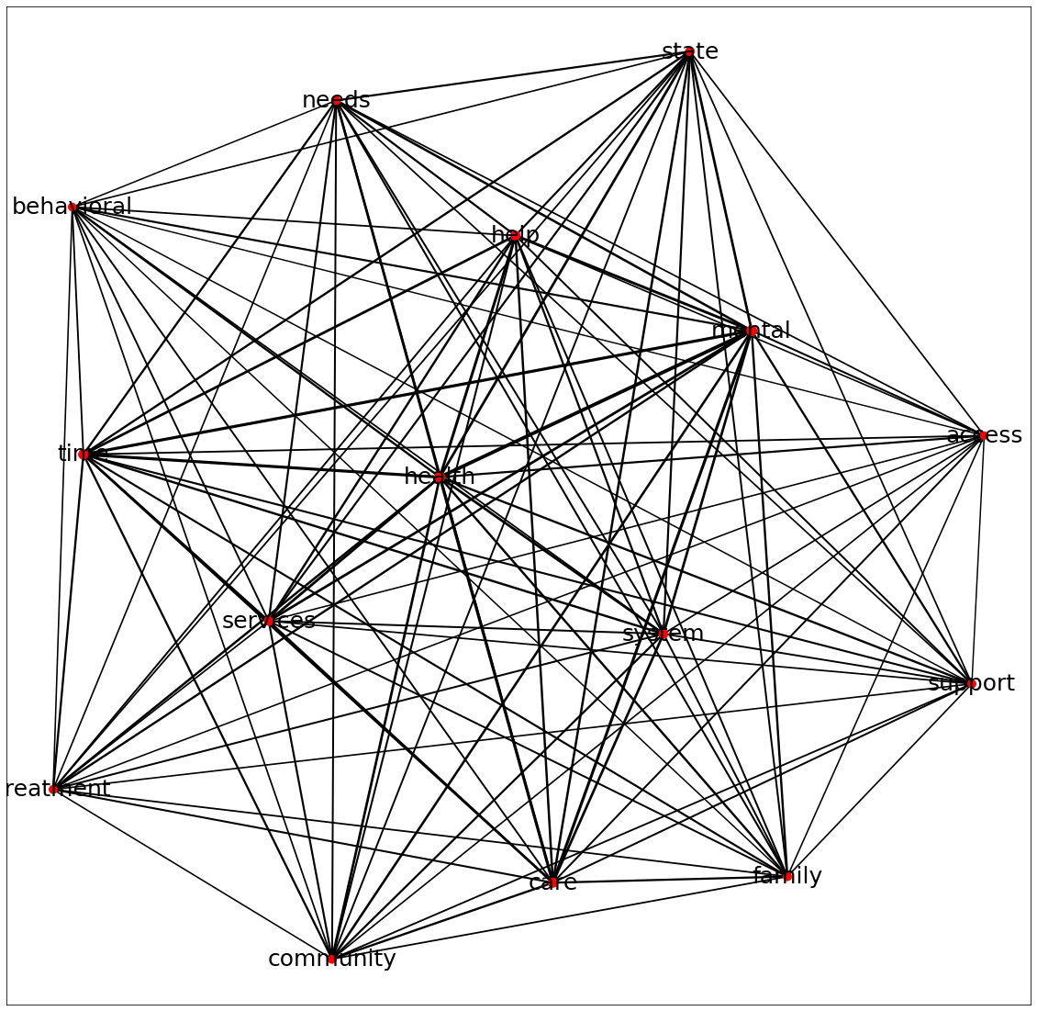
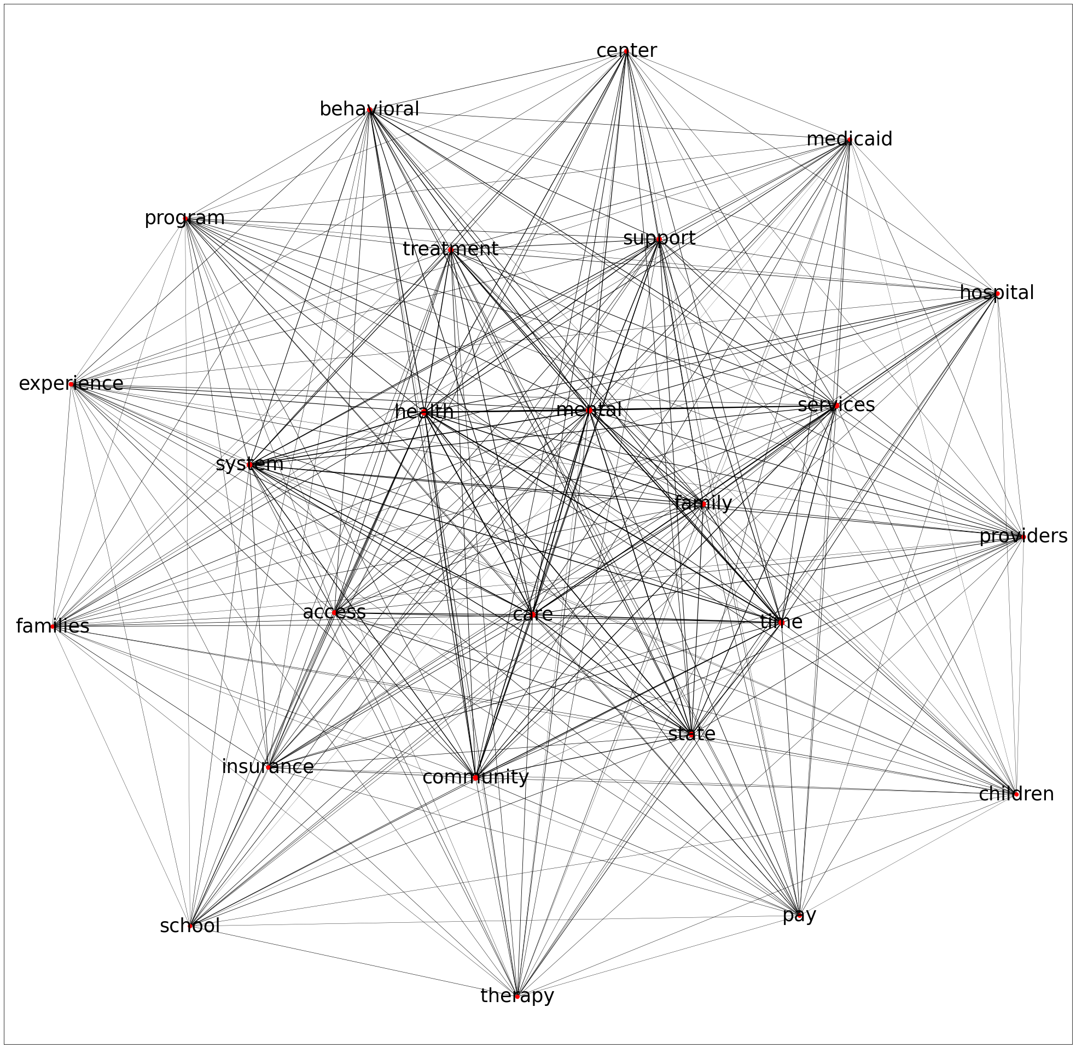
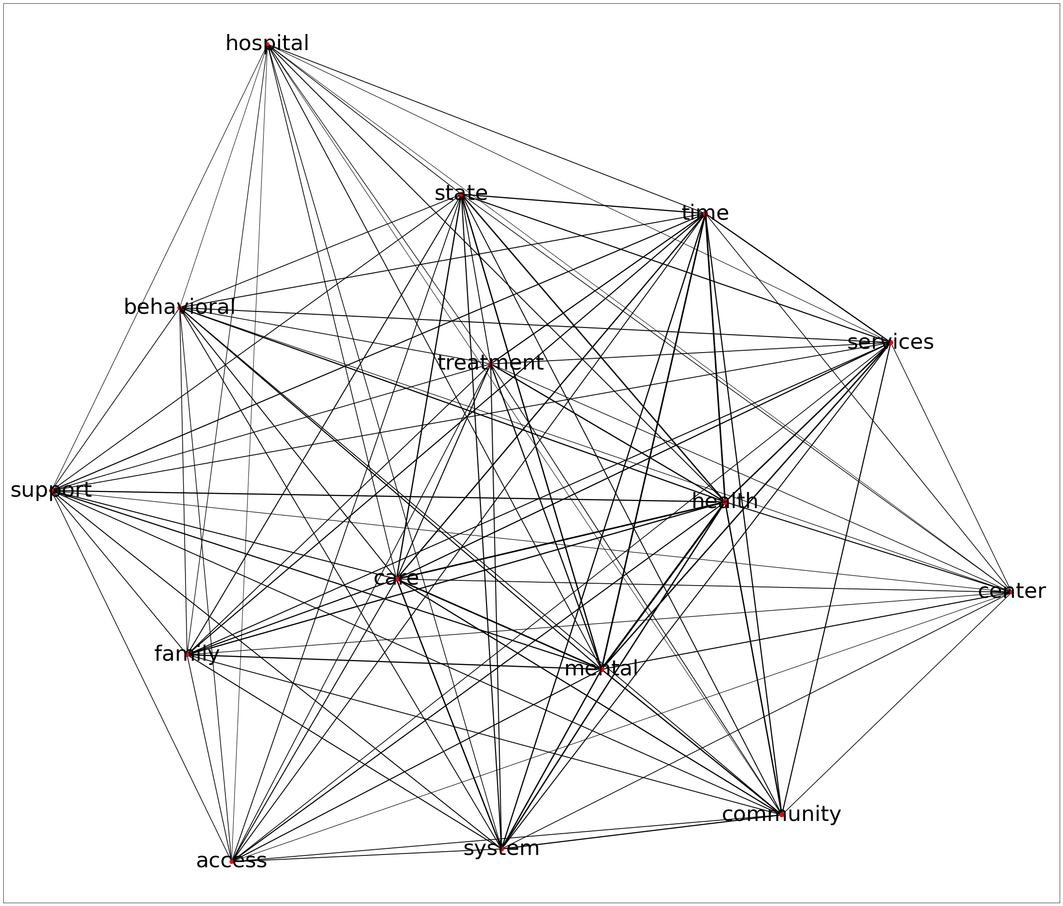

Tri-gram
Top Tri-grams
Tri-gram | Count
department human services | 6
services deaf hearing | 6
behavioral services deaf | 5
medication assisted treatment | 5
deaf hearing deaf | 4
social security disability | 4
hearing loss association | 4
early intervention prevention | 4
medicare tricare commercial | 4
access behavioral care | 3
attention deficit hyperactivity | 3
deaf hearing persons | 3
commission deaf hearing | 3
training technical assistance | 3
publicly funded behavioral | 3
deaf hearing community | 3
hearing community access | 3
chapter hearing loss | 3
substance abuse treatment | 3
adopted foster care | 3
perfectly pair source | 3
intervention prevention services | 3
patients behavioral patients | 3
tricare commercial insurance | 3
joint budget committee | 2
need crisis stabilization | 2
daily basis families | 2
services medical surgical | 2
experience primary care | 2
case management need | 2
affected social development | 2
development intellectual development | 2
primary care physicians | 2
friends family members | 2
need create funding | 2
need support need | 2
basic needs met | 2
treatment lack awareness | 2
silver key provider | 2
benefit alongside medicare | 2

Commonly used words
Most commonly used words
services | 220
treatment | 206
time | 156
help | 138
community | 130
behavioral | 129
state | 124
insurance | 122
needs | 102
school | 100
access | 99
family | 92
support | 76
medicaid | 74
Word | Count
health | 460
mental | 332
care | 259
services | 220
treatment | 206
need | 183
years | 174
time | 156
help | 138
community | 130
behavioral | 129
state | 124
insurance | 122
needs | 102
school | 100
access | 99
deaf | 98
hearing | 98
family | 92
program | 89
families | 78
support | 76
medicaid | 74
center | 72
hospital | 71
therapy | 68
use | 56
funding | 55
crisis | 54
providers | 54
long | 51
resources | 50
diagnosis | 49
experience | 47
children | 46
provider | 46
therapist | 46
jail | 44
pay | 44
social | 43

Word Cloud
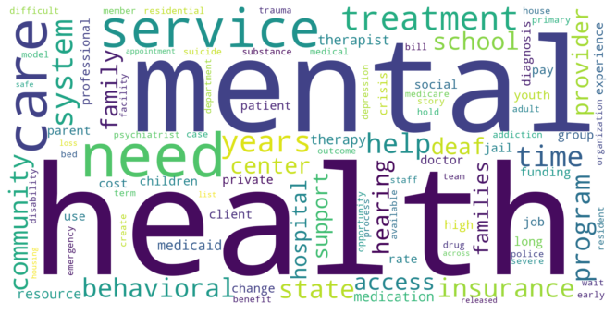

Word Relation Graph
